Description
Scroll through Actual Demand scenarios here
 | The Flaw of Averages in Operating Costs: Why Everything is Beyond Budget
Adjust amount stocked in cell C2
Actual Average Cost is NOT ZERO
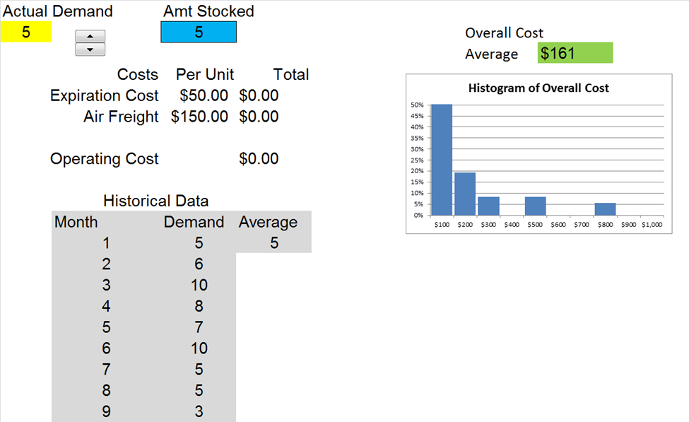
Cost of the Average Demand is ZERO
Inventory must be held in the face of uncertain demand. The Average Operating Cost is greater than the Operating Cost of the Average Demand because there are penalties when Actual Demand exceeds the stockiing level, and when it falls short.
 |  | Experiment with the Amount Stocked
 |  | on the Model Sheet

Distribution of Overall Cost

The Operating Cost formula (D8) drives the Data Table on the PMTable sheet while running historical demand through the Actual Demand cell (A2).

Copyright © 2013 ProbabilityManagement.org, all rights reserved.
www.probabilitymanagement.org

Model
Actual Demand |  | Amt Stocked |  |  |  | 36
5 |  | 5 |  | Overall Cost |  | 1
 |  |  |  | Average | $161
Histogram of Overall Cost
100 | 0.58333333333
200 | 0.19444444444
300 | 0.083333333333
400 | 0
500 | 0.083333333333
600 | 0
700 | 0
800 | 0.055555555556
900 | 0
1000 | 0
 | Costs | Per Unit | Total
 | Expiration Cost | $50.00 | $0.00
 | Air Freight | $150.00 | $0.00

 | Operating Cost |  | $0.00

 | Historical Data
 | Month | Demand | Average
 | 1 | 5 | 5
 | 2 | 6
 | 3 | 10
 | 4 | 8
 | 5 | 7
 | 6 | 10
 | 7 | 5
 | 8 | 5
 | 9 | 3
 | 10 | 2
 | 11 | 6
 | 12 | 5
 | 13 | 6
 | 14 | 3
 | 15 | 5
 | 16 | 4
 | 17 | 5
 | 18 | 4
 | 19 | 4
 | 20 | 3
 | 21 | 3
 | 22 | 3
 | 23 | 4
 | 24 | 3
 | 25 | 8
 | 26 | 3
 | 27 | 5
 | 28 | 2
 | 29 | 4
 | 30 | 5
 | 31 | 7
 | 32 | 6
 | 33 | 7
 | 34 | 8
 | 35 | 1
 | 36 | 5

